Trivia Game 7
Game Name | Coronary Part 2
Right Answer

Question | Question Type | Option a | Option b | Option c | Option d | Picture Link
If an air bubble is present during imaging, the IVUS catheter should be removed from the body and re-prepped completely to remove the air bubble | True/False | TRUE | FALSE
Which of the following points of interest are represented in this image? Select all that apply | Multi Select | Diseased | ChromaFlo | Mixed plaque type with calcium |  | Drive Link | 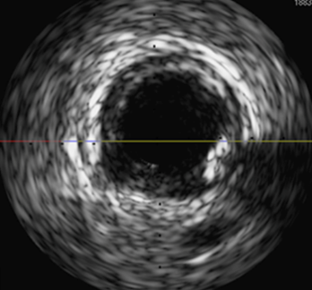
The IVUS images below demonstrate. | Single Select | Concentric superficial calcium | Under-sized stents | Covered side branches | Well apposed stents | Drive Link
Which layer of the coronary artery cannot be seen with IVUS because it is too think? | Single Select | Intima | Media | Adventitia
Which of the following points of interest are represented in this image? Select all that apply | Multi Select | Stent pattern | Bifurcation pattern type | ISR |  | Drive Link | 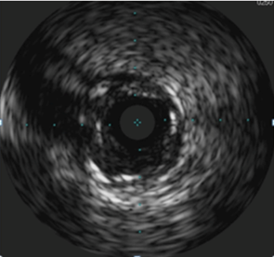
Tri-registration joint display allows for each navigation between: Select all that apply | Multi Select | Angiography | IVUS | Physical values | Physiological values
Device positioning event, maximum balloon inflation and enhanced stent are three events available in the syncvision-angio+system _________ mode | Single Select | Device detection | X-ray on/off | Device positioning | Apply device
When performing iFR Co-registration, the presence of CABG wires, additional guide wires, surgery clips or other metallic objects withing the frame may lead to inaccurate calibration results | True/False | TRUE | FALSE
When performing physiology on a vessel that has been bypassed , you should | Single Select | Place a wire down both the native and the graft | Place a wire down either the native or the graft distal to the anastomosis | Perform IVUS instead | Use intracoronary (IC) adenosine
Identify the disease types indicated in the following iFR pullback curves | Single Select | Curve 1 indicates focal disease: curve 2 indicates diffuse disease | Curve 1 indicates diffuse disease: curve 2 indicates focal disease |  |  | Drive Link

